Sheet1
 | Digital Signage |  |  |  |  |  |  |  | R = Responsible: Which position or department will be Responsible for completing each task? A = Accountable: Which position or department will be Accountable for major tasks and the result? This oftentimes is different than the Responsible party. C = Consulted: Which positions or departments must be Consulted? Consulted parties have a say before, making decisions or tasks are completed. They are not responsible or accountable for the outcome. I = Informed: Which positions or departments must be Informed as the tasks progress? These parties don't need to provide input during the process but must be aware of decisions made.

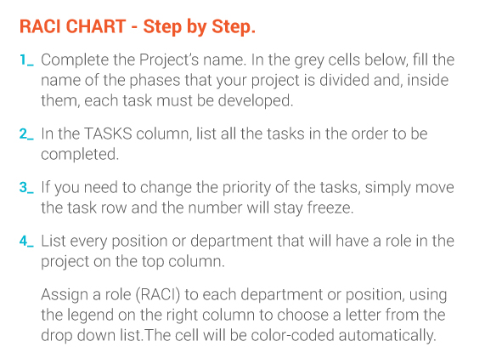
PROJECT or Service NAME | STEP | TASK | Timetabling | Business School | Learning Spaces Technology | Departments with own signage | Users of LST Ad service | Local Support
Phase Activity
 | 1 | Scientia Timetabling Database | R | I | I | I
 | 2 | Office365 Calendar | R | I | I | I
 | 3 | Screen App |  | R | I |  |  | I
 | 4 | LST Content Management Server |  |  | R |  | I
 | 5 | LST Reserva Connection Manager |  |  | R |  |  | I
 | 6
 | 7
 | 8
 | 9
 | 10
Phase Activity
 | 1 | Large Format Timetabling Screens (Centrally Allocated) |  |  | R
 | 2 | 22" Timetabling Screens (Centrally Allocated) |  |  | R
 | 3 | Meeting Room Screens (Centrally Allocated) |  |  | R
 | 4 | Meeting Room Screens (IS rooms on O365) |  |  | R
 | 5 | Meeting Room Screens - Locally resourced |  |  | A | I |  | R
 | 6 | Other digital signage - Locally resourced |  |  |  | A |  | R
 | 7
 | 8
 | 9 | Content on locally resourced screens |  |  |  | R
 | 10 | Advertising Space on large LST screens |  |  | R |  | A
Phase Activity
 | 1 | TASK
 | 2 | TASK
 | 3 | TASK
 | 4 | TASK
 | 5 | TASK
 | 6 | TASK
 | 7 | TASK
 | 8 | TASK
 | 9 | TASK
 | 10 | TASK

